Invoice
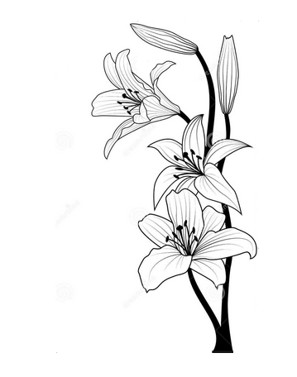 | Lizpa Landscaping, Inc.

 | Bill To: | Montgomery Square C/O Sentry Management Inc. | Phone: | 407-788-6700 ext 51209 | Invoice #: | 1803
 | Address: | 2180 W. State Rd. 434 Suite 5000 Longwood, FL 32779 | Fax: | 407-788-7488
 | Service Address: | Montgomery Square H.O.A 511 Palace Dr Altamonte Springs, FL 32714 | Email: |  | Invoice Date: | 2025-12-17

 | Qty | Description |  |  |  | Price

 |  | Irrigation repair and fix of 2 inch pipe |  |  |  | $1,200.00
 |  | Repair was done behind 525 Derby Dr.
 |  | Valve was cleaned out as it was full of sand so that it could
 |  | work properly
 |  | Work done by Mario

 | Thank you for your business!! |  |  |  | TOTAL | $1,200.00

